Foglio1
function_points | 86 | function_points, 86
language | Java | language, Java
prec | Extra_High | prec, Extra_High
flex | Nominal | flex, Nominal
rely | Nominal | rely, Nominal
data | Nominal | data, Nominal
cplx | Low | cplx, Low
ruse | Nominal | ruse, Nominal
docu | Nominal | docu, Nominal
resl | Nominal | resl, Nominal
team | Nominal | team, Nominal
acap | Nominal | acap, Nominal
pcap | Nominal | pcap, Nominal
pcon | Nominal | pcon, Nominal
apex | Nominal | apex, Nominal
pexp | Nominal | pexp, Nominal
ltex | Nominal | ltex, Nominal
pmat | Low | pmat, Low
time | Nominal | time, Nominal
stor | Nominal | stor, Nominal
pvol | Nominal | pvol, Nominal
tool | Nominal | tool, Nominal
site | Nominal | site, Nominal
sced | Nominal | sced, Nominal
software_EAF | 1:27:00 | software_EAF, 0.87
size_exponent | 14:01:00 | size_exponent, 1.0781
schedule_exponent | 5:14:00 | schedule_exponent, 0.314
software_effort | 13.1 | software_effort, 13.1
software_schedule | 8.2 | software_schedule, 8.2

RESULTS
Software Development (Elaboration and Construction)
Effort | 13.1 Person-months | Effort = 13.1 Person-months
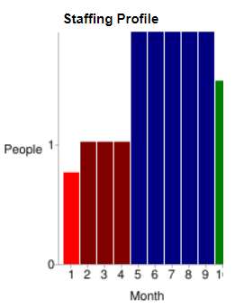
Schedule | 8.2 Months | Schedule = 8.2 Months

Total Equivalent Size | 4558 SLOC | Total Equivalent Size = 4558 SLOC
Effort Adjustment Factor (EAF) | 1:27:00 | Effort Adjustment Factor (EAF) = 0.87

Acquisition Phase Distribution
Phase | Effort (Person-months) | Schedule (Months) | Average Staff
Inception | 0.8 | 1.0 | 0.8
Elaboration | 3.1 | 3.1 | 1.0
Construction | 10.0 | 5.1 | 1.9
Transition | 1.6 | 1.0 | 1.5

Software Effort Distribution for RUP/MBASE (Person-Months)
Phase/Activity | Inception | Elaboration | Construction | Transition
Management | 0.1 | 0.4 | 1.0 | 0.2
Environment/CM | 0.1 | 0.3 | 0.5 | 0.1
Requirements | 0.3 | 0.6 | 0.8 | 0.1
Design | 0.1 | 1.1 | 1.6 | 0.1
Implementation | 0.1 | 0.4 | 3.4 | 0.3
Assessment | 0.1 | 0.3 | 2.4 | 0.4
Deployment | 0.0 | 0.1 | 0.3 | 0.5

